content
Balance drum design (linked to SOP-548)

INSTRUCTIONS
This worksheet provides the procedure to define and validate the balancing drum's design.
balance_drum-1
It calculates the leakage flow and the balancing thrust from the balancing drum as per Gulich's simplified method.
balance_drum-2
It calculates the leakage flow and the balancing thrust from the balancing drum as per Gulich's complete method.

0 | 2025-04-14 | First issue | Advance Mechanical Eng/ M. Di Somma | QA/HSE N.Legato/T.Morelli Stefani | R&D & Prod.Eng. Manager/M.Borghetti
Rev. | Date | Description | Prepared | Checked | Approved
Mod.531-0

balance_drum-1
Balance drum calculation
INSTRUCTIONS
Follow the steps to allow calculation to be initialized:
1) Compile input the input data.
2) As general note, the loss coefficients in all the sections have already been pre-compiled. It is not recommended to modify them, unless it is necessary for sensitivity analysis.
3) Run the calculation with the dedicated button.
4) Check the results in the "Calculated data" section.
Legend
input data
descriptor
calculated
annotation
 |  |  |  |  |  |  | Case to be shown in figure
Case | 1 | 2 | 3 | 4 | 5 | 6 | 6
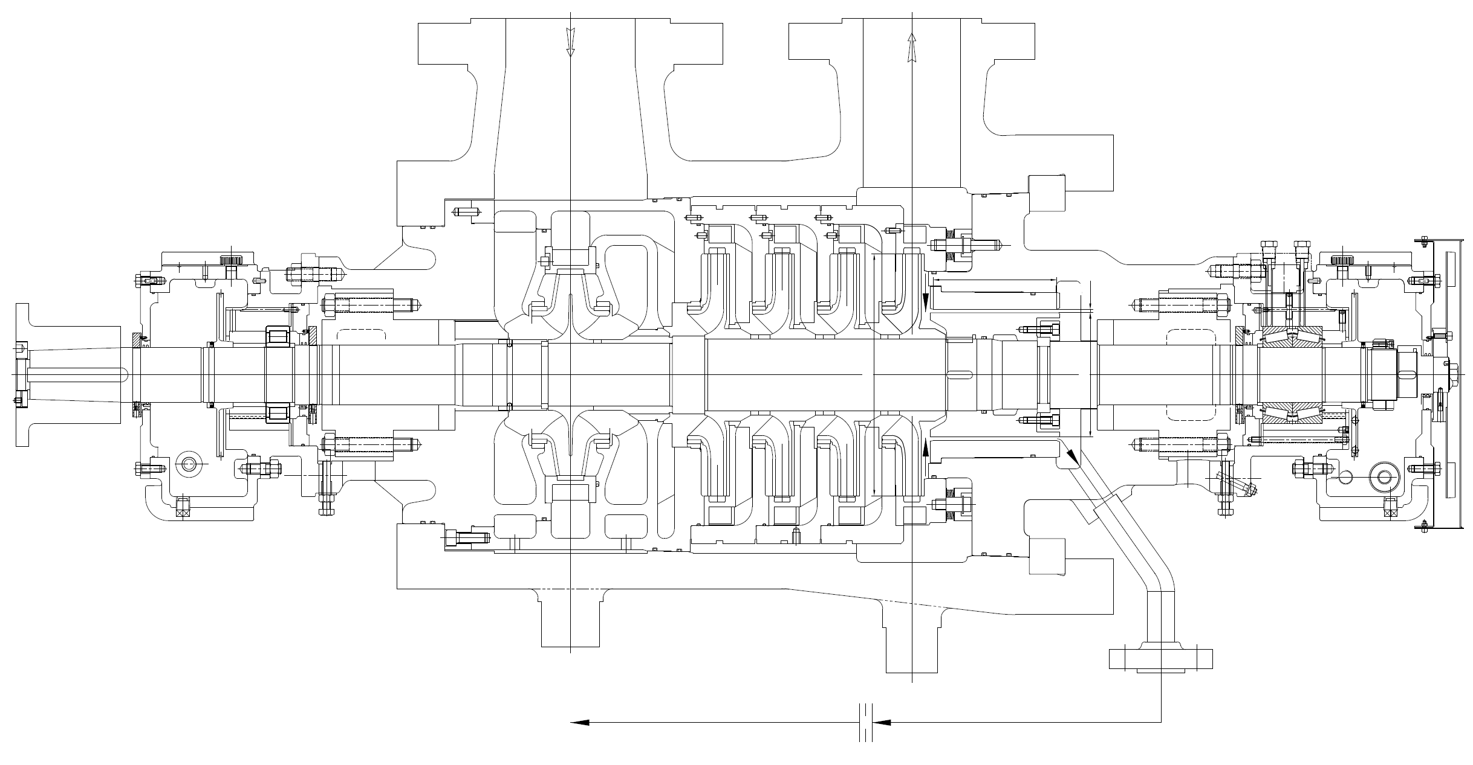
Lbd [mm] = 24
sbd [mm] = 0,25
D2 [mm] = 450
Dbd [mm] = 200
dorifice [mm] = 16
Qleakage [m3/h] = 10,4
psuction [barg] = 1,5
pbd [barg] = 25,7
p2 [barg] = 36,8
p2* [barg] = 30,7
∆porifice [bar] = 2,8
CASE 6
DESIGN INPUT DATA
D2 [mm] | 400.00 | 410.00 | 420.00 | 430.00 | 440.00 | 450.00 | Impeller diameter
Dbd [mm] | 200.00 | 200.00 | 200.00 | 200.00 | 200.00 | 200.00 | Balance drum's diameter
sbd [mm] | 0.25 | 0.25 | 0.25 | 0.25 | 0.25 | 0.25 | Balance drum's radial clearance
Lbd [mm] | 24.00 | 24.00 | 24.00 | 24.00 | 24.00 | 24.00 | Balance drum's length
RG [-] | 0.75 | 0.75 | 0.75 | 0.75 | 0.75 | 0.75 | Reaction factor
Dshaft [mm] | 100.00 | 100.00 | 100.00 | 100.00 | 100.00 | 100.00 | Shaft diameter

OPERATING INPUT DATA
Q [m3/h] | 270 | 270 | 270 | 270 | 270 | 270 | Pump operating flowrate
H [m] | 395 | 395 | 395 | 395 | 395 | 395 | Pump head
N [rpm] | 2990 | 2990 | 2990 | 2990 | 2990 | 2990 | Operating speed
ρ [kg/m3] | 1000 | 1000 | 1000 | 1000 | 1000 | 1000 | Fluid density
ν [mm2/s] | 1.000 | 1.000 | 1.000 | 1.000 | 1.000 | 1.000 | Fluid kinematic viscosity
psuction [barg] | 1.500 | 1.500 | 1.500 | 1.500 | 1.500 | 1.500 | Suction pressure
Faxial [N] | 60000 | 60000 | 60000 | 60000 | 60000 | 60000 | Rotor axial thrust
Nstages [-] | 5 | 5 | 5 | 5 | 5 | 5 | Number of stages

OPERATING DATA
p2 [barg] | 36.80 | 36.80 | 36.80 | 36.80 | 36.80 | 36.80 | Pressure downstream balance drum
u2 [m/s] | 62.62 | 64.19 | 65.75 | 67.32 | 68.88 | 70.45 | Impeller's rotational speed at D2
Reu2 [-] | 12524483 | 13158535 | 13808242 | 14473605 | 15154624 | 15851298 | Reynolds number
yRS | 4.30E-03 | 4.15E-03 | 4.01E-03 | 3.88E-03 | 3.76E-03 | 3.64E-03 | Factor for impeller rear shroud (inward flow)
kRS | 0.560 | 0.558 | 0.557 | 0.555 | 0.554 | 0.552 | Rotation factor for impeller rear shroud (inward flow)
xbd | 0.500 | 0.488 | 0.476 | 0.465 | 0.455 | 0.444 | Ratio between balance drum diameter and impeller diameter
ΔpBD [bar] | 4.615 | 4.896 | 5.183 | 5.475 | 5.771 | 6.072 | Pressure drop along impeller's rear shroud
p2* [barg] | 32.18 | 31.90 | 31.61 | 31.32 | 31.03 | 30.72 | Pressure at balance drum inlet

BALNCE DRUM
ζEA | 1.2 | 1.2 | 1.2 | 1.2 | 1.2 | 1.2 | Inlet and outlet loss coefficient (from 1 to 1.2)
ex [mm] | 0.000 | 0.000 | 0.000 | 0.000 | 0.000 | 0.000 | Eccentricity (typical 0)
Seal type |  |  |  | serrated | rough | isotropic pattern | Balance drum's sealing surface type
ε [mm] |  |  |  | N/A |  | N/A | Surface roughness
A | 0.000 | 0.000 | 0.000 |  | 0.000 |  | Seal surface coefficient between 0.01 and 0.03
∆pbushing [bar] | 7.198 | 7.198 | 7.198 | 15.816 | 5.478 | 5.023 | Pressure drop across balance drum, ref. J. F. Gulich's Centrifugal Pumps 3.7.6
pbd [barg] | 24.98 | 24.70 | 24.42 | 15.51 | 25.55 | 25.70 | Pressure downstream balance drum

BALANCING LINE ORIFICE
dorifice [mm] | 16 | 16 | 16 | 16 | 16 | 16 | Orifice diameter
Dpipe [mm] | 45 | 45 | 45 | 45 | 45 | 45 | Piping internal diameter
corifice [m/s] | 17.751 | 17.751 | 17.751 | 27.631 | 15.136 | 14.378 | Fluid speed in orifice
cpipe [m/s] | 2.244 | 2.244 | 2.244 | 3.493 | 1.914 | 1.818 | Fluid speed in pipe
∆porifice [bar] | 4.233 | 4.233 | 4.233 | 10.266 | 3.077 | 2.776 | Pressure drop across balancing orifice (ref. ISO 5167-2 sect. 4)
psuction* [barg] | 20.751 | 20.469 | 20.182 | 5.241 | 22.471 | 22.926 | Pressure downstream orifice

CALCULATED DATA
Qleakage [m3/h] | 12.849 | 12.849 | 12.849 | 20.000 | 10.956 | 10.407 | Leakage flow
Qleakage [%] | 4.759 | 4.759 | 4.759 | 7.407 | 4.058 | 3.854 | Volmetric loss
Fbd [N] | -16961 | -16961 | -16961 | -37265 | -12907 | -11836 | Balance drum's axial thrust (> 0, if directed towards suction)
∆Ftot [N] | 43039 | 43039 | 43039 | 22735 | 47093 | 48164 | Residual axial thrust (> 0, if directed towards suction)
∆Ftot [%] | 71.732 | 71.732 | 71.732 | 37.892 | 78.488 | 80.273 | Total axial thrust

balance_drum-2
Balance drum calculation
INSTRUCTIONS
Follow the steps to allow calculation to be initialized:
1) Compile input the input data.
2) As general note, the loss coefficients in all the sections have already been pre-compiled. It is not recommended to modify them, unless it is necessary for sensitivity analysis.
3) Run the calculation with the dedicated button.
4) Check the results in the "Calculated data" section.
Legend
input data
descriptor
calculated
annotation

Lbd [mm] = 24
sbd [mm] = 0.29
D2 [mm] = 450
Dbd [mm] = 281
dorifice [mm] = 12
Qleakage [m3/h] = 17.8
psuction [barg] = 1.5
pbd [barg] = 23,1
p2 [barg] = 36.8
p2* [barg] = 34,8
∆porifice [bar] = 21.6
DESIGN INPUT DATA
D2 [mm] | 450.00 | Impeller diameter
Dbd [mm] | 281.00 | Balance drum's diameter
sbd [mm] | 0.29 | Balance drum's radial clearance
Lbd [mm] | 24.00 | Balance drum's length
δW [°] | 16.00 | Rear shroud angle (casing)
δR [°] | 16.00 | Rear shroud angle (impeller)
tax [mm] | 12.00 | Axial casing part in impeller sidewall gap
rw [mm] | 211.00 | Radius of casing part in impeller sidewall gap
α2 [°] | 30 | Angle between u2 and c2
β2 [°] | 15 | Angle between u2 and w2
RG [-] | 0.75 | Reaction factor
Dshaft [mm] | 150.00 | Shaft diameter

OPERATING INPUT DATA
Q [m3/h] | 270 | Pump operating flowrate
H [m] | 395 | Pump head
N [rpm] | 2980 | Operating speed
ρ [kg/m3] | 1000 | Fluid density
μ [Pa*s] | 0.001 | Fluid dynamic viscosity
ν [m2/s] | 1.00E-06 | Fluid kinematic viscosity
psuction [barg] | 1.500 | Suction pressure
Faxial [N] | 45000 | Total axial thrust due to pressure distribution and to momentum variation on impellers
Nstages [-] | 5 | Number of stages
cf,W | 0.15 | Friction coefficient on shroud (casing)
cf,R | 0.15 | Friction coefficient on shroud (impeller)

CALCULATION INPUT DATA
accuracy [%] | 0.1 | Required accuracy
nsteps | 15 | Calculation steps (max 2000)

OPERATING DATA
p2 [barg] | 36.80 | Static pressure at last stage impeller's discharge
u2 [m/s] | 70.21 | Impeller's rotational speed at D2
Reu2 [-] | 15798284 | Reynolds number
 | Rear shroud pRS [barg]
444.36666667 | 36.639200533
433.1 | 36.485387364
421.83333333 | 36.335575491
410.56666667 | 36.189764915
399.3 | 36.047955637
388.03333333 | 35.910147655
376.76666667 | 35.77634097
365.5 | 35.646535582
354.23333333 | 35.520731491
342.96666667 | 35.398928697
331.7 | 35.2811272
320.43333333 | 35.167327
309.16666667 | 35.057528097
297.9 | 34.951730491
286.63333333 | 34.849934182
xbd | 0.624 | Ratio between balance drum diameter and impeller diameter

LAST STAGE IMPELLER'S REAR SHROUD
ε [mm] | 0.04 | Surface roughness
ex [mm] | 0 | Eccentricity (typical 0)
Sidewall gap | open | Sidewall gap type
p2* [barg] | 34.850 | Pressure at balance drum inlet

BALNCE DRUM
ζEA | 1.2 | Inlet and outlet loss coefficient (from 1 to 1.2)
ex [mm] | 0 | Eccentricity (typical 0)
Seal type | isotropic pattern | Balance drum's sealing surface type
ε [mm] | N/A | Surface roughness
A | 0.015 | Seal surface coefficient between 0.01 and 0.03
∆pbushing [bar] | 11.7309 | Pressure drop across balance drum, ref. J. F. Gulich's Centrifugal Pumps 3.7.6
pbd [barg] | 23.12 | Pressure downstream balance drum

BALANCING LINE ORIFICE
dorifice [mm] | 12 | Orifice diameter
C | 0.609 | Discharge coefficient (ref. ISO 5167-2 sect. 5.3.2.1)
∆porifice [bar] | 21.619 | Pressure drop across balancing orifice (ref. ISO 5167-2 sect. 4)
psuction* [barg] | 1.500 | Pressure downstream orifice

CALCULATED DATA
Qleakage [m3/h] | 17.829 | Leakage flow
Qleakage [%] | 0.066 | Volmetric loss
Fbd [N] | -52020 | Balance drum's axial thrust (> 0, if directed towards suction)
∆Ftot [N] | -97020 | Residual axial thrust (> 0, if directed towards suction)
∆Ftot [%] | -216 | Total axial thrust

